Guidance
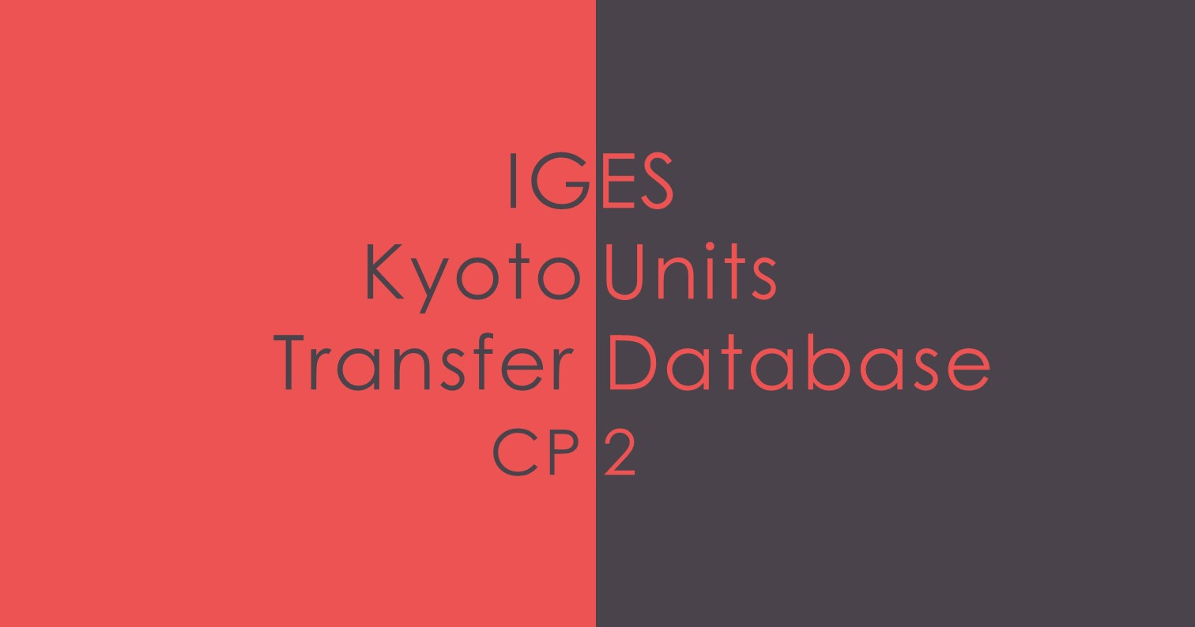

Introduction
IGES's Kyoto Units Transfer Database (CP2) aims to provide compiled information on issuance, international transfer, retirement, and cancellation of Kyoto units from each Annex I country or among different Annex I countries for the second commitment period of the Kyoto Protocol (CP2). The information is extracted from publicly available sources on national registries from the UNFCCC website and the data includes the latest information available at the time of its update.
Table of Contents (links to sheets)
Macro Transactions |  | Total amounts of Kyoto units transfer over time in the CP2 period by each Party.
Account CP2 |  | Yearly data regarding the status of national registries of Kyoto Units in all accounts.
Analytics |  | In-depth data analysis is provided in form of charts.
Total CER Transfer |  | Total transfer of CER units between Annex B Parties to the Kyoto Protocol over the CP2 period.
Total ERU Transfer |  | Total transfer of CER units between Annex B Parties to the Kyoto Protocol over the CP2 period.
Yearly Unit Transfer |  | CER | ERU
Transfer of Kyoto Units between Parties for each year. |  | 2021 | 2021
 |  | 2020 | 2020
 |  | 2019 | 2019
 |  | 2018 | 2018
 |  | 2017 | 2017
 |  | 2016 | 2016
 |  | 2015
 |  | 2014
 |  | 2013
Update History
Version | Date | Feature | Editors
6.0 | Sep-22 | • Addition of Kyoto Units data for 2021 | Kentaro Takahashi Machiko Louhisuo
5.0 | Aug-21 | • Addition of Kyoto Units data for 2020 | Kentaro Takahashi Machiko Louhisuo
4.0 | Jul-20 | • Addition of Kyoto Units data for 2019 | Kentaro Takahashi Machiko Louhisuo
3.1 | Sep-19 | • Addition of Kyoto Units data for 2018 | Yuji Mizuno Machiko Louhisuo
3.0 | Jul-18 | • Addition of an integrated Macro Transactions sheet, showing total amounts of units transfer over time • Renewed Analytics sheet with new charts showing compiled data • Addition of units (CER and ERU) carried over from CP1 to CP2 and voluntary cancellation data • Addition of Kyoto Units data for 2017 • Addition of a Total ERU Transfer sheet • Addition of total values for all Accounts • Improved data visualisation • Addition of a Table of Contents | Alexis R. Rocamora Machiko Louhisuo Yuji Mizuno
2.1 | Oct-17 | Addition of summary tables and charts | Alexis R. Rocamora Yuji Mizuno
2.0 | Jun-17 | Update of the database with the units data for the year 2016 and first upload on the IGES website. | Alexis R. Rocamora Yuji Mizuno Akihisa Kuriyama
1.0 | May-16 | Creation of the draft database from the first set of data released for the years 2013 to 2015. | Akihisa Kuriyama Alexis R. Rocamora Kazuhisa Koakutsu
Terminology
Sheet | Term | Explanation
Account_CP2 | National registry | A national registry is an IT system Annex I Parties are required to establish as one of the eligibility criteria to participate in the Kyoto mechanisms. The main function of a national registry is to issue, hold, transfer, retire, and cancel Kyoto units (ERUs, CERs, AAUs, RMUs, t-CERs, l-CERs). National registries contain holding accounts in the name of the government or in the name of legal entities authorized by the government to hold and transfer Kyoto units. Among Annex I Parties, those with emission targets listed in the Kyoto Protocol's Annex B are called Annex B Parties. Governments of the 36 Annex B Parties are implementing national registries, connected with ITL.
 | AAU (Assigned Amount Units) | Units initially allocated to each Annex B Party in the first committment period of Kyoto Protocol (2008-2012). The amount of the units equals to five times the amount of emissions of the base year multiplied by the target of each Annex B Party under Kyoto Protocol.
 | CER (Certified Emission Reductions) | Kyoto units certified and issued by CDM Executive Board for a CDM project implemented in non-Annex I Parties. CERs can be used by Annex B Parties to a meet a part of their emission reduction targets under the Kyoto Protocol.
 | ERU (Emission Reduction Units) | Kyoto units converted from AAU and RMUs held by host Party for a JI project implemented in Annex I Parties. ERUs can be used by Annex B Parties to meet a part of their emission reduction targets under the Kyoto Protocol.
 | RMU (Removal Units) | Kyoto units issued for LULUCF (Land Use, Land-Use Change and Forestry) such as forest management in Annex I Parties. RMUs can be used by Annex B Parties to meet a part of their emission reduction targets under the Kyoto Protocol. A scope of LULUCF is limited to afforestation,reforestation, forest management, cropland management, grazing land management and revegitation.
 | Commitment Period Reserve (CPR) | The total amount of Kyoto units an Annex I Party is required to always maintain in its national registry. CPR is determined each year as either 90% of the Party's assigned amount or 100% of five times its most recently reviewed inventory, whichever is lowest. This is to address the concern that Parties could excessively transfer Kyoto units, and subsequently be unable to meet their own emissions targets.
 | Holding account | A type of account in a national registry to hold Kyoto units. The government must establish at least one holding account and legal entities authorized by the government could also establish holding accounts in national registries.
 | Retirement account | A type of account in a national registry. An Annex B Party needs to transfer at least the same amount of Kyoto units as its total GHG emissions from 2008-2012 to its retirement account for compliance with its emission target. Kyoto units that have been transferred to a retirement account cannot be transferred again.
 | Cancellation account | A type of account in a national registry. Kyoto units transferred to a cancellation account are invalid and cannot to be transferred again. There are following three types of cancellation account. The numbers in "cancellation account" of this Database are the amount of Kyoto units cancelled in a) and c). a) Cancellation on the basis of direct human-induced land-use change and forestry activities since 1990 under article 3.3 of Kyoto Protocol where such activities result in a net source of greenhouse gas emissions (This emissions can be set off with sink by forest management activities under article 3.4 of Kyoto Protocol up to a certain amount）. b) Cancellation of AAUs equal to 1.3 times the amount in tonnes of excess emissions in the previous commitment period if an Annex I Party was not in compliance with its commitment. c) Other cancellation of Kyoto units (ex. cancellation of CERs used for voluntary offsetting)
CER transfer | CDM registry | A registry established and maintained by CDM Executive Board to issue, hold and transfer CERs. CDM project participants has a holding account in CDM registry, from which CERs issued to their CDM projects will be transferred to a national registry of an Annex I Party. However, CERs cannot be transferred between holding accounts within CDM registry.
Data source
Standard Electronic Format (SEF) submitted by Annex B Parties to UNFCCC. https://unfccc.int/ghg-inventories-annex-i-parties/*year *year(2013-current) Registry Status Reports https://unfccc.int/process/the-kyoto-protocol/registry-systems/registry-status-for-second-commitment-period CDM Registry https://cdm.unfccc.int/Registry/index.html
Disclaimer
Whilst information contained in this database is believed to be true and accurate at the date of going to press, neither the editor nor publisher can accept any legal responsibility or liability for any errors or omissions that may have been made. For any queries, please contact ce-info@iges.or.jp All copyrights are reserved. The source must be clearly stated when this list is reproduced or transmitted in any form or by any means.

Analytics
ANALYTICS

Chart 1: Trend of Holding Accounts over CP2
 | AAU-CP2 | CER-CP2 | ERU-CP2
2013 | 0 | 436,557 | 0
2014 | 0 | 15,100,125 | 0
2015 | 0 | 69,081,420 | 0
2016 | 0 | 165,910,622 | 9687811
2017 | 5,794,523 | 266,757,161 | 75648392
2018 | 5,794,523 | 322,123,986 | 162776245
2019 | 5,794,523 | 349,961,403 | 165659797
2020 | 5,794,523 | 385,335,482 | 165087918
2021 | 44,076,024,692 | 424,754,612 | 161469391

Chart 2: Share of Units in Holding Accounts in the latest reported year of each Unit

AAU-CP2 | 44,076,024,692
CER-CP2 | 349,961,403
ERU-CP2 | 165,659,797

Chart 3: Total Transactions of Units over CP2

 | 2013 | 2014 | 2015 | 2016 | 2017 | 2018 | 2019 | 2020 | 2021
CER Additions | 869,061 | 24,424,525 | 126,268,728 | 164,426,300 | 169,265,609 | 119,361,383 | 104,223,131 | 158,328,833 | 198,089,672
CER Subtractions | -869,061 | -24,424,525 | -126,268,728 | -164,426,300 | -169,265,609 | -119,361,383 | -104,223,131 | -158,328,833 | -198,089,672
ERU Additiosn | 0 | 0 | 0 | 9,687,811 | 73,694,614 | 90,643,160 | 102,239,234 | 10,688,078 | 232,117
ERU Subtractions | 0 | 0 | 0 | -9,687,811 | -73,694,614 | -90,643,160 | -102,239,234 | -10,688,078 | -232,117

Chart 4: Balance of Total Transactions of all Units over CP2 for each Party
 | CDM Registry | EU Registry | Austria | Belgium | Denmark | Finland | France | Germany | Ireland | Italy | Lithuania | Luxembourg
 | -407,454,650 | 157,759,435 | 844,072 | 1,333,425 | 2,781,349 | 3,336,569 | 7,984,787 | 25,408,311 | 25,408,311 | 2,965,617 | -1,529,915 | 1,038,749

